INVU, Seksy, Rip Curl Sunglass
 | Model Number | Frame Colour | Brand | Stock Available | What is included | Original RRSP
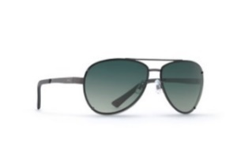 | B1612A | Matt Dark Gun/Green | INVU ultra polarized | 530 | sunglasses packed in zipped case | £60.00
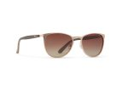 | B1710A | Gold/Olive | INVU ultra polarized | 133 | sunglasses packed in zipped case | £60.00
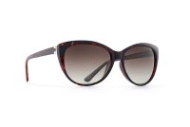 | B2513A | Black | INVU ultra polarized | 39 | sunglasses packed in zipped case | £60.00
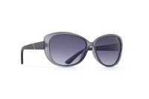 | B2515A | Smoke/Black | INVU ultra polarized | 743 | sunglasses packed in zipped case | £60.00
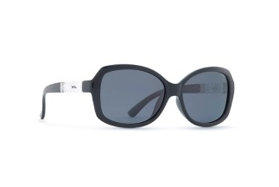 | B2603A | Black | INVU ultra polarized | 349 | sunglasses packed in zipped case | £60.00
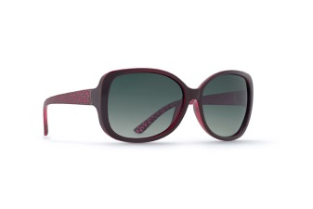 | B2628C | Burgundy | INVU ultra polarized | 181 | sunglasses packed in zipped case | £60.00
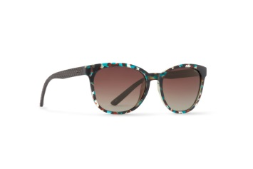 | B2707B - includes bracelet in case | Multi Demi/Brown | INVU ultra polarized | 155 | sunglasses packed in zipped case | £60.00
 | B2821C | Demi | INVU ultra polarized | 485 | sunglasses packed in zipped case | £60.00
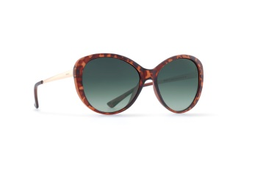 | B2840B- includes bracelet in case | Demi/Gold | INVU ultra polarized | 138 | sunglasses packed in zipped case | £60.00
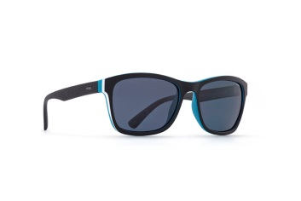 | T2501B | Black/White/Teal | INVU ultra polarized | 2 | sunglasses packed in zipped case | £60.00
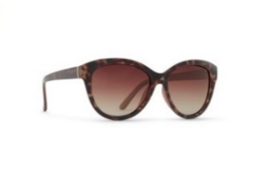 | T2610G | Demi/Beige | INVU ultra polarized | 19 | sunglasses packed in zipped case | £60.00
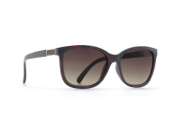 | N2808b | Demi | Seksy - from the best selling Sekonda watch brand. These sunglasses are embellished with Swarovski crystals | 355 | sunglasses packed in zipped case and branded Seksy presentation box | £80.00
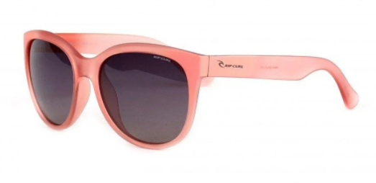 | R2509B | Crystal rose | Rip Curl - premium surf brand | 296 | sunglasses packed in branded zipped case | £70.00
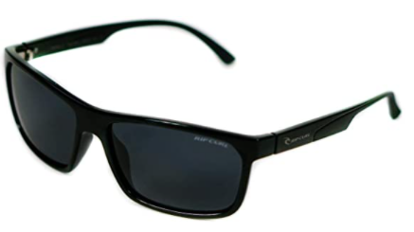 | R2700A | Black | Rip Curl - premium surf brand | 950 | black microfibre pouch | £70.00

Terms: |  | Total |  | 4,375

